1. Title Page
Grocery Basket Analysis

Project Name: Instacart Grocery Basket Analysis
Date: October 4th, 2023
Analyst Name: Gabrielle Hawker

Contents: | Original Data:
Population Flow | link to departments data
Consistency checks | link to customer data
Wrangling steps | link to orders and products data
Column derivations | link to orders_products_prior data
Visualizations
Recommendations

2. Population Flow
Title page

Population flow

Exclusion flag
Condition: max_order < 5
Obervations to be removed: 1,440,295
Final total count of order_products_all: 32,404,859

Orders_products_combined
Orders_products_merged
Orders_products_all

Total: 32,434,489
Total: 32,404,859
Total: 32,404,859

1.) The grey boxes in the first row of the population flow represent the original data sets as they were when you downloaded them. In the Total fields you need to add the count of the rows when you imported the data set into Jupyter.
2.) The second row of boxes (coloured) represents the data sets after you manipulated them, e.g., removed missing values and duplicates. In the Total fields you need to add the count of the rows after conducting these operations. This offers a visual oveview of how the data flows throughout the data consistency checks.
3.) The third row, where also the arrows are coloured, represents the merges you performed between the datasets. In the Total fields you need to add the count of the rows in the merged datasets, so that you end up with the final dataset (in the red box). Keep in mind the final dataset should be without exclusions (based on the exclusion flag).

3. Consistency checks
 |  |  |  | Title page
Consistency checks

Dataset | Missing values | Missing values treatment | Duplicates
orders | 206,209: days_since_prior_order | Leave them there | 0
products | 16: product_name | Remove them from the dataset | 5
orders_products_prior | N/A | N/A | N/A
customers | 0 | N/A | 0

4. Wrangling steps
 |  |  |  | Title page
Wrangling steps: customers

Columns dropped | Columns renamed | Columns' type changed | Comment/Reason
 | First Name to first_name |  | formatting
 | Surnam to last_name |  | formatting
 | Gender to gender |  | formatting
 | STATE to state |  | formatting
 | Age to age |  | formatting
 | fam_status to family_status |  | formatting
 | n_dependants to dependants |  | formatting
first_name |  |  | Irrelevant and can be too easily traced to an individual
last_name |  |  | Irrelevant and can be too easily traced to an individual

5. Column derivations
 |  |  |  | Title page

Column derivations and aggregations

In this tab you should add tables below that the frequences of flags/label variables that you produced after deriving them. NB: don't do this for continuous variables, only for flags.
Dataset | New column | Column/s it was derived from | Conditions
orders_products_merged | price_label | prices | If prices <= 5 then it's a "Low-range product" If prices > 5 but <=15 then it's a "Mid-range product" If prices > 15 then it's a "High-range product"
orders_products_merged | busiest_day | order_day_of_week | If the value = 0 then it's a "Busiest day" If the value = 4 then it's the "Least busy" All other values are "Regularly busy"
orders_products_merged | busiest_days | order_day_of_week | If the value = 0 or 1 then it's a "Busiest day" If the value = 4 or 3 then it's the "Least busy" All other values are "Regularly busy"
orders_products_merged | busiest_period_of_day | order_hour_of_day | If the value = 10, 11, or 14, it's flagged as "Most orders" If the value = 3, 4, or 2, it's flagged as "Fewest orders" All other values are flagged as "Average Orders"
orders_products_merged | loyalty_flag | max_order | If the value is <= 10 the then they're a "New customer" If the value is > 10 but <= 40 they're a "Regular customer" If the value is > 40 then they're a "Loyal customer"
orders_products_merged | average_prices | user_id prices | Group the matching user_id values together then calculate the mean price of that user's orders.
orders_products_merged | spending_flag | average_prices | If the value is < 10 then the customer is a "Low spender" If the value is >= 10 then the customer is a "High spender"
orders_products_merged | median_days_since_prior_order | user_id days_since_prior_order | Group the matching user_id values together then calculate the median number of days since they last placed an order.
orders_products_merged | frequency_flag | median_days_since_prior_order | If the value > 20 they are a "Non-frequent customer" If the value is > 10 but <= 20 they are a "Regular customer" If the value is <= 10 they are a "Frequent customer"
orders_products_merged | region | state | Based on which state a user is in, they are flagged as being in the Northeast, Midwest, South, or West region
orders_products_merged | activity_flag | max_order | If the value is < 5 the customer is "Low activity" If the value is >= 5 the customer is "High activity"
orders_products_merged | age_goup | age | If the value is < 40 the customer is flagged as "young" If the value is >= 40 the customer is flagged as "older"
orders_products_merged | family_role | family_status | If the customer is "living with parents and siblings" they are flagged as a dependant If the customer is "married" they are flagged as "married" If the customer is "single" or "divorced/widowed" they are flagged as "single"
orders_products_merged | parental_status | dependants | If the value is = 0 the customer is flagged as "childless" If the value is >= 1 the customer is flagged as a "parent"
orders_products_merged | customer_profile | age_group family_role parental_status | Shows age_group, family_role, and parental_status all in one column
orders_products_merged | income_level | income | If value is < 100,000 the income level is flagged as "low" If the value is >= 100,000 but < 300,000 it is flagged as "medium" If the value is >= 300,000 the income level is flagged as "high"
orders_products_merged | dependant_age | department_id | If the customer has ordered from the baby department they are flagged as "household has a young child"

6. Visualizations
 |  | Title page

Visualisations

In this tab you should include all the visualtions from Exercises 4.9 and 4.10, alongside the questions from the project brief that they answer. Include any commentary on the relationship between different variables.

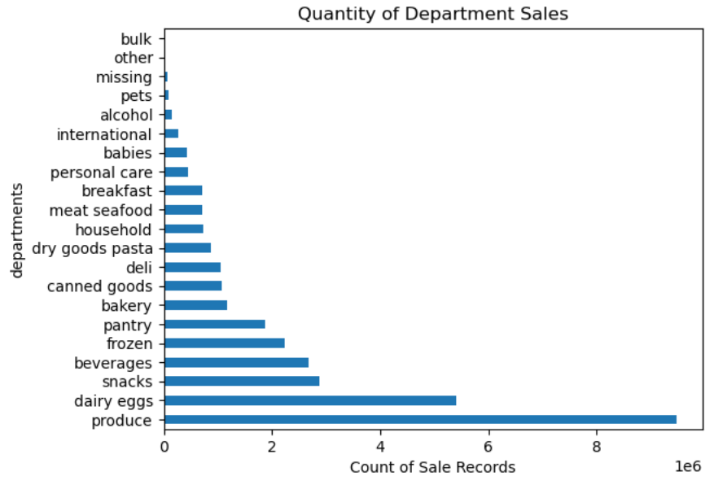
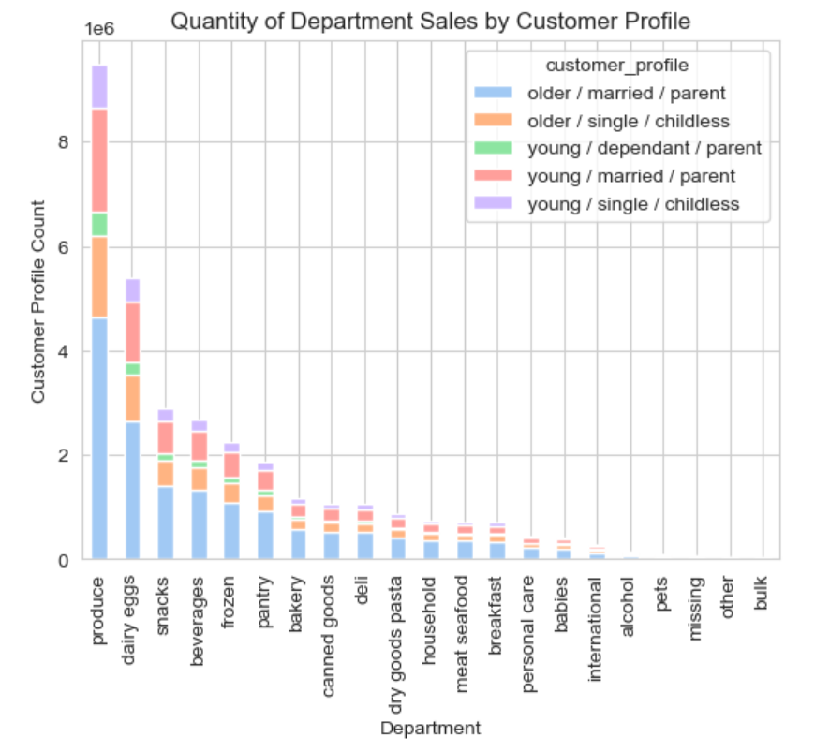

Visualization: | histogram |  | Visualization: | histogram
Showing: | count of sales by department that each customer profile has purchased |  | Showing: | order_hour_of_day sorted by hour
Question: | What differences can you find in ordering habits of different customer profiles? Consider the price of orders, the frequency of orders, the products customers are ordering, and anything else you can think of. |  | Question: | Are there certain types of products that are more popular than others? Which departments have the highest frequency of product orders?
Answer: | Each department has a fairly even distribution between the customer profiles purchasing their products. Most of the sales are coming from older/married/parents. |  | Answer: | Produce is the most popular, followed by dairy/eggs and then snacks. The top 10 departments are all food related.

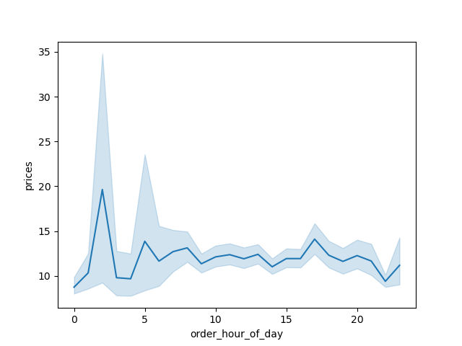

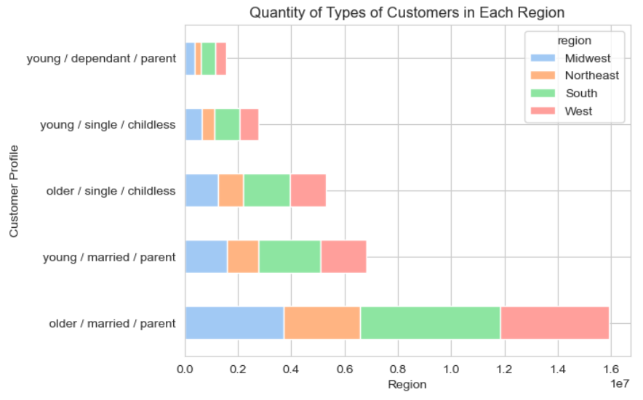
Visualization: | Line chart |  | Visualization: | Histogram
Showing: | sales by hour of day |  | Showing: | Customer profiles in each region
Question: | Are there particular times of the day when people spend the most money? |  | Question: | Are there differences in ordering habits based on a customer’s region?
Answer: | The highest priced items are purchased between midnight and 5am. |  | Answer: | Based on the distribution of customer profiles and what we know about those profiles, there is no noticeable difference in ordering habits per region.

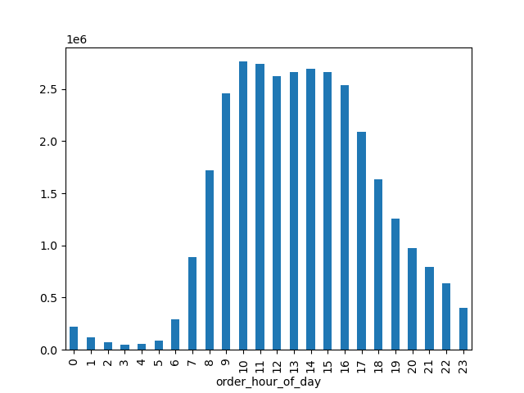

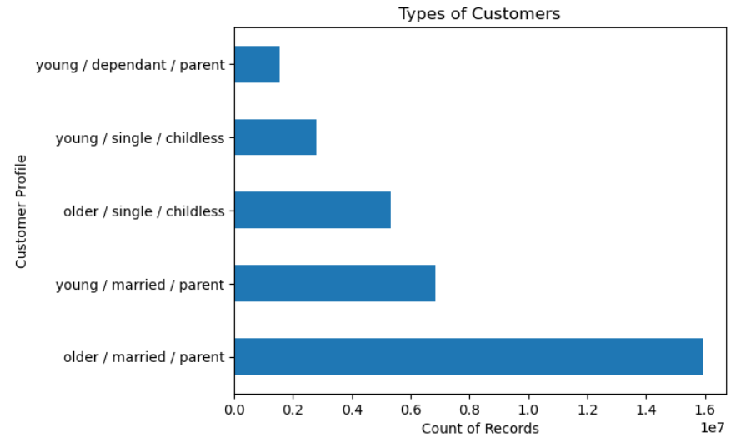
Visualization: | bar chart |  | Visualization: | Histogram
Showing: | order_hour_of_day sorted by hour |  | Showing: | Count of records of each customer profile
Question: | The sales team needs to know what the busiest days of the week and hours of the day are (i.e., the days and times with the most orders) in order to schedule ads at times when there are fewer orders. |  | Question: | What different classifications does the demographic information suggest? Age? Income? Certain types of goods? Family status?
Answer: | The busiest hours are between 9am and 5pm. |  | Answer: | Being married and a parent makes you more likely to put in an instacart order.

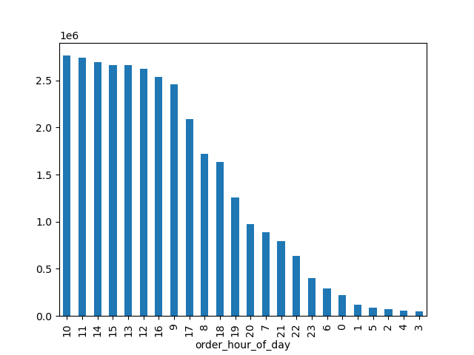
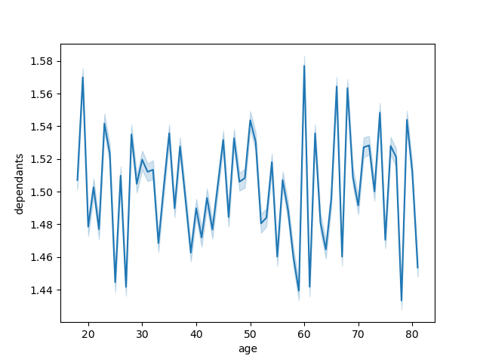

Visualization: | bar chart |  | Visualization: | Line chart
Showing: | order_hour_of_day sorted by the count of values |  | Showing: | number of dependants by customer age
Question: | The sales team needs to know what the busiest days of the week and hours of the day are (i.e., the days and times with the most orders) in order to schedule ads at times when there are fewer orders.
Answer: | The top 5 busiest hours in order are 10am, 11am, 2pm, 3pm, and 12pm

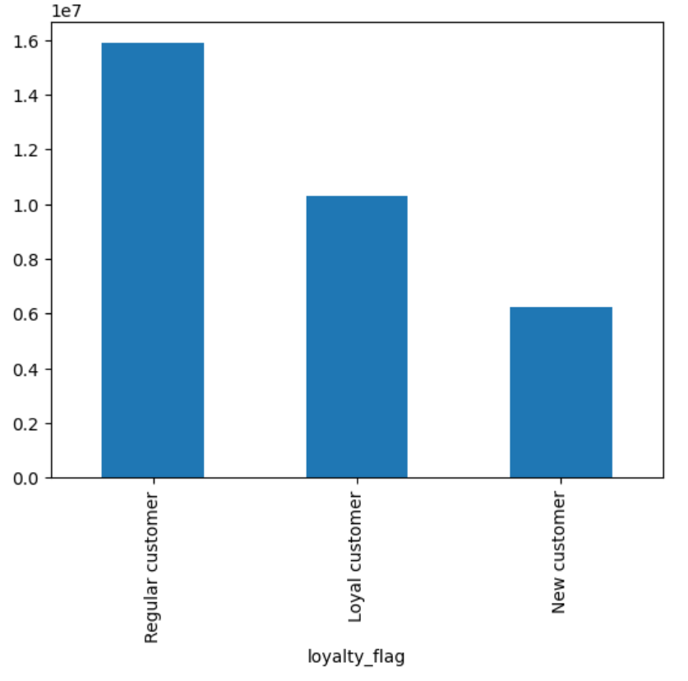
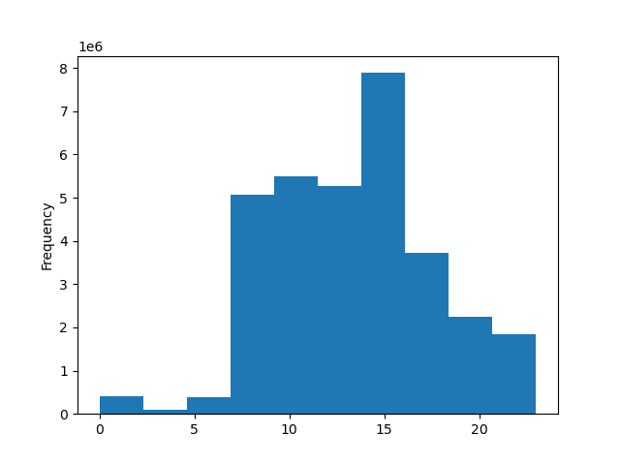

Visualization: | histogram |  | Visualization: | binned histogram
Showing: | loyalty flag value counts |  | Showing: | order_hour_of_day sorted by hour
Question: | What’s the distribution among users in regards to their brand loyalty (i.e., how often do they return to Instacart)? |  | Question: | The sales team needs to know what the busiest days of the week and hours of the day are (i.e., the days and times with the most orders) in order to schedule ads at times when there are fewer orders.
Answer: | Most users are regualar customers. However, there are more loyal customers than new ones. |  | Answer: | The highest quantity of orders are made between 12pm and 2pm



Visualization: | Scatterplot
Showing: | Income by customer age
Question: | What different classifications does the demographic information suggest?
Answer: | Incomes tend to rise over the age of 40.

7. Recommendations
 |  |  | Title page

Recommendations

In this tab you should include any recommendations you would make to Instcart in terms of their marketing strategy based on the questions posed in the brief. Every key question has been covered in the Tasks of the Exercises - here you need to add an item - a visualisation or table/crosstable that is showing the answer in the data, acompanied by a comment from you. Please, list the questions below and add the answer underneath.

Question | Answer
Key Question 1: What are the busiest days of the week and hours of the day? | The busiest hours are between 9am and 5pm. The busiest days are Saturday and Sunday.
Key Question 2: Are there particular times of the day when people spend the most money? | The highest priced items are purchased between midnight and 5am.
Key Question 3: Instacart has a lot of products with different price tags. Marketing and sales want to use simpler price range groupings to help direct their efforts. | Products $5 and under are listed as low-range, products over $5 and up to $15 are listed as mid-range, and procucts over $15 are listed as high-range.
Key Question 4: Are there certain types of products that are more popular than others? | Produce is the most popular, followed by dairy/eggs and then snacks. The top 10 departments are all food related.
Key Question 5: What are the different types of customers and how do their ordering behaviors differ? | A variety of flags produced the following customer profiles: - young/dependant/parent - young/single/childless - older/single/childless - young/married/parent - older/married/parent The visualization on tab 6 shows that older married parents make the most orders while dependants make the least.
Key Question 5a: What’s the distribution among users in regards to their brand loyalty (i.e., how often do they return to Instacart)? | Most users are regular customers. However, there are more loyal customers than new ones.
Key Question 5b: Are there differences in ordering habits based on a customer’s loyalty status? | Loyal customer make the most orders.
Key Question 5c: Are there differences in ordering habits based on a customer’s region? | Based on the distribution of customer profiles and what we know about those profiles, there is no noticeable difference in ordering habits per region.
Key Question 5d: Is there a connection between age and family status in terms of ordering habits? | Dependants are spead pretty evenly across the age groups, but older married parents tend to place more orders than any other profile type.
Key Question 5e: What different classifications does the demographic information suggest? Age? Income? Certain types of goods? Family status? | People over 40 not only have higher incomes overall, but they also place more orders. There doesn't seem to be much difference in department oders based on customer profile.
Key Question 5f: What differences can you find in ordering habits of different customer profiles? Consider the price of orders, the frequency of orders, the products customers are ordering, and anything else you can think of. | Each department has a fairly even distribution between the customer profiles purchasing their products. Most of the sales are coming from older/married/parents.

 |  | 4.8

